Sheet1
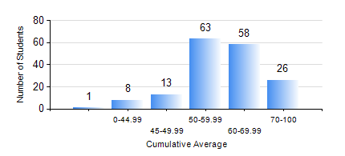
 |  |  | KWAME NKRUMAH UNIVERSITY OF SCIENCE AND TECHNOLOGY, KUMASI Department of Geological Engineering

 |  |  | BSC. GEOLOGICAL ENG.

 |  |  | COMPREHENSIVE RECORD OF EXAMINATION RESULTS

 |  |  | RESULTS OF YEAR 2 SECOND SEMESTER, 2022/2023 ACADEMIC YEAR

 | Sn | Course Code |  | Course Name | Credit Hours | Min. Mark | Max. Mark | Avg. Mark | Std. Dev. | No. Passed | No. Trailed | No. (Df) | No. (I) | No. (I*) | No. Tagged(I,I*,Df) | Total
 | 0. |  |  |  |  |  |  | 0 | 0 | 0 | 0 | 0 | 0 | 0 | 0 | 20
 | 1. | CE 256 |  | FLUID MECHANICS | 3 | 24 | 86 | 60 | 13.83 | 140 | 8 | 1 | 0 | 0 | 1 | 149
 | 2. | GE 282 |  | LARGE SCALE SURVEYING | 3 | 28 | 86 | 58 | 14.12 | 146 | 3 | 0 | 0 | 0 | 0 | 149
 | 3. | GED 252 |  | STRATIGRAPHY | 3 | 23 | 87 | 57 | 13.01 | 143 | 6 | 0 | 0 | 0 | 0 | 149
 | 4. | GED 254 |  | ROCK ENGINEERING | 2 | 8 | 88 | 57 | 14.24 | 134 | 15 | 0 | 0 | 0 | 0 | 149
 | 5. | GED 258 |  | OPTICAL MINERALOGY | 2 | 33 | 82 | 64 | 9.88 | 148 | 1 | 0 | 0 | 0 | 0 | 149
 | 6. | GED 262 |  | INTRODUCTION TO SOIL MECHANICS | 2 | 15 | 86 | 55 | 15.72 | 126 | 23 | 0 | 0 | 0 | 0 | 149
 | 7. | MATH 252 |  | ANALYSIS IV | 4 | 24 | 82 | 68 | 6.78 | 148 | 1 | 0 | 0 | 0 | 0 | 149

